Indices

 | Iraq Stock Exchange
 | Bulletin No (217)

 | ISX Trading Indices of Wednesday 3/12/2025

 | Traded Volume and OTC |  | 669,611,322 |  | Traded Value and OTC |  | 2,511,633,985 |  | Traders | 887

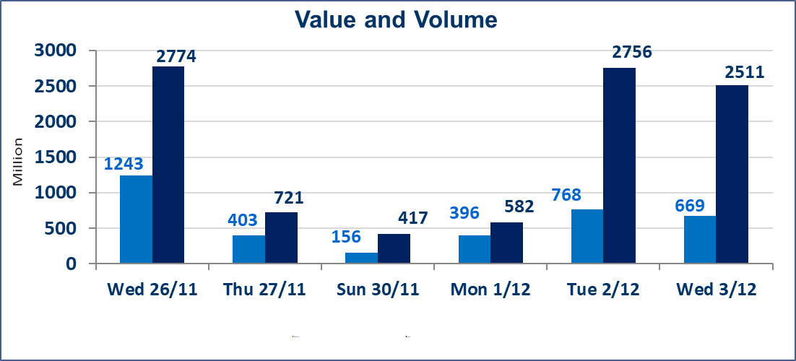
 | ISX Index 60 |  |  | 956.55 | ISX Index 15 |  |  | 1189.23
 | Previous ISX Index60 |  |  | 962.91 | Previous ISX Index15 |  |  | 1186.06
 | Change % |  |  | -0.66 | Change % |  |  | 0.27
 | Change |  |  | -6.36 | Change |  |  | 3.17

 | Listed Companies | 104 | OTC | 14 | Non Traded listed | 37 | OTC | 10
 | Traded Listed Companies | 53 | OTC | 2 | Higher Companies |  |  | 11
 | GAM Companies |  |  | 4 | Lower Companies |  |  | 23
 | Suspended Companies |  |  | 10
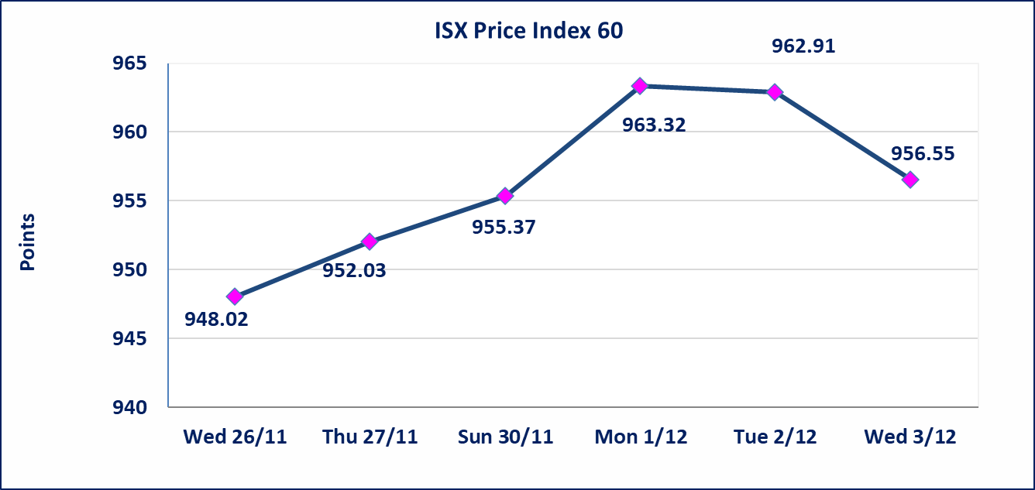
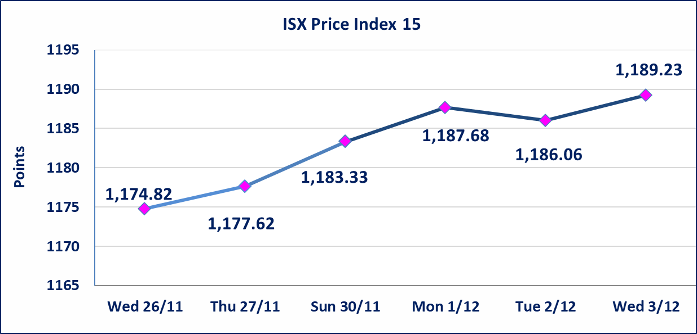

 | special orders | Al-Rafidain Brokerage Company executed a deliberate cross order on the shares of Baghdad Soft Drinks Company with a number of shares (360,000,000) shares with a value of (1,944,000,000) dinars, during the additional session time (after 1 pm) in accordance with the procedures for executing large transactions.
Al-Alwiya P.O . 3607 Mobile: 07711211522 - 07270094594 - 07834000034 E-mail: info-isx@isx-iq.net Web site:www.isx-iq.net

Top 5
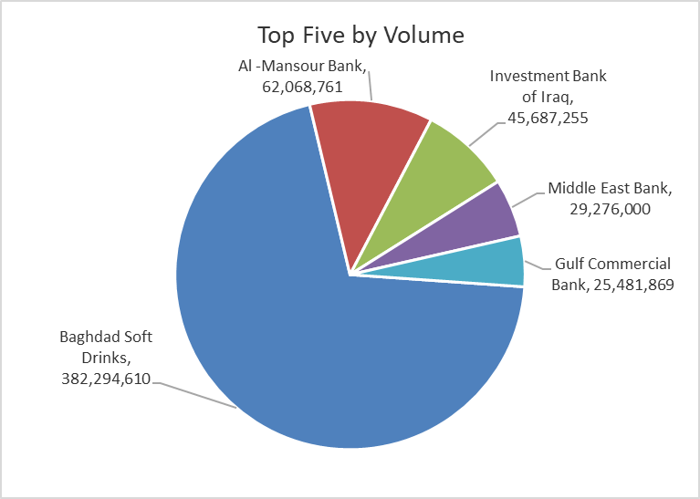
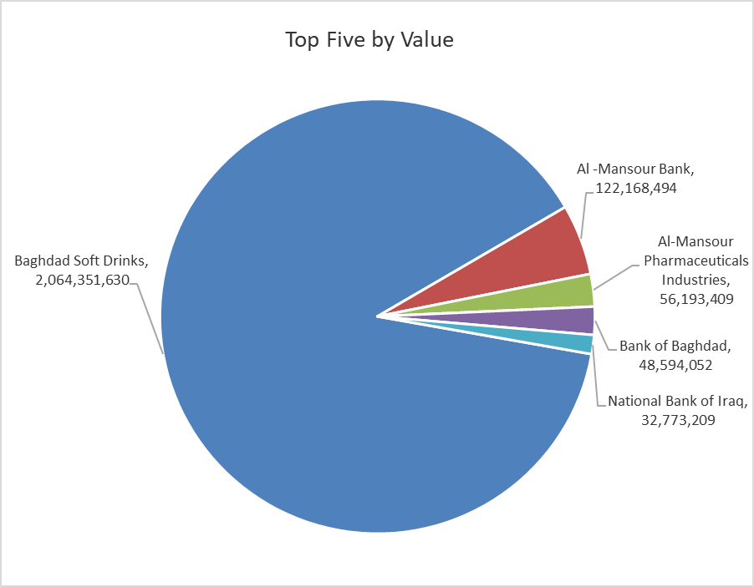
ISX top ganing and losing companies
Wednesday 3/12/2025
Gainers |  |  |  | Losers
Company Name | Closing Price | Change (%) | Traded Volume | Company Name | Closing Price | Change (%) | Traded Volume
Agricultural Products Meat | 5.000 | 9.89 | 14,015 | AL-Anssari Islamic Bank | 0.170 | -19.05 | 2,000,000
Mosul Bank For Investment | 0.150 | 7.14 | 1,065,035 | Al-Qabidh Islamic Bank | 0.110 | -15.38 | 2,000,000
Iraqi Carton Manufactories | 2.220 | 5.21 | 808,561 | Tourist Village of Mosul dam | 15.300 | -15.00 | 30,110
Babil Animal & Vegetable Production | 12.500 | 4.17 | 232,886 | Middle East Bank | 0.060 | -14.29 | 29,276,000
General Transportation | 1.970 | 3.68 | 46,308 | Iraqi Engineering Works | 4.200 | -13.04 | 84,500

The most active companies in term of traded volume and value

Traded Volume |  |  |  | Traded Value
Company Name | Closing Price | Change (%) | Traded Volume | Company Name | Closing Price | Change (%) | Traded Value
Baghdad Soft Drinks | 5.400 | -0.92 | 382,294,610 | Baghdad Soft Drinks | 5.400 | -0.92 | 2,064,351,630
Al -Mansour Bank | 1.970 | -0.51 | 62,068,761 | Al -Mansour Bank | 1.970 | -0.51 | 122,168,494
Investment Bank of Iraq | 0.210 | -4.55 | 45,687,255 | Al-Mansour Pharmaceuticals Industries | 2.260 | -4.24 | 56,193,409
Middle East Bank | 0.060 | -14.29 | 29,276,000 | Bank of Baghdad | 3.400 | -0.58 | 48,594,052
Gulf Commercial Bank | 0.290 | 0.00 | 25,481,869 | National Bank of Iraq | 4.690 | 0.21 | 32,773,209

OTC

Iraq Stock Exchange

Wednesday 3/12/2025
OTC Platform Trading Bulletin No (217)
Company Name | Code | highest price | lowest price | Average price | No.of Trades | Traded Volume | Traded Value
Banks Sector
Al-Warka Bank | BWAI | 0.090 | 0.090 | 0.090 | 3 | 45,000 | 4,050
Total Of Banks Sector |  |  |  |  | 3 | 45,000 | 4,050
Industrial Sector
Kirkuk producing constructional materials | IKFP | 1.260 | 1.260 | 1.260 | 1 | 2,103 | 2,650
Total Of Industrial Sector |  |  |  |  | 1 | 2,103 | 2,650
Total |  |  |  |  | 4 | 47,103 | 6,700

Not Trading OTC Companies
Company Name |  |  | Code |  | Previous Average price
Banks Sector
Al-Sanam Islamic Bank |  |  | BSAN |  | 3.000
Hammurabi Commercial Bank |  |  | BHAM |  | ـــــــــــــــــــــــــــــــــــ
Money Service Sector
Rabee Securities |  |  | FRSE |  | 9.500
Karmal Brokerage |  |  | FKSX |  | 10.000
Ishtar Gate for e-Paymant |  |  | FISH |  | 1.000
Sama Baghdad Exchange |  |  | FSBE |  | ـــــــــــــــــــــــــــــــــــ
Iraqi Deposit Insurance Corporation |  |  | FIDI |  | ـــــــــــــــــــــــــــــــــــ
Insurance Sector
Al Badia Insurance |  |  | NBAD |  | ـــــــــــــــــــــــــــــــــــ
Shatt Al Arab Insurance |  |  | NSHA |  | 1.000
Dilina Insurance Company |  |  | NDIL |  | ـــــــــــــــــــــــــــــــــــ

Non Iraqis

Iraq Stock Exchange
Non Iraqis' Bulletin Wednesday Dec 3 2025
Regular Market

Non Iraqi Trading of Regular Market (Buy)
Company Names | Code | No.of trades | Traded Shares | Trading Volume
Banks Sector
Al-Mansour Bank | BMNS | 1 | 25,229 | 49,701
Total Bank sector |  | 1 | 25,229 | 49,701
Telecommunication Sector
Asia cell | TASC | 4 | 153,257 | 2,000,004
Total Telecommunication sector |  | 4 | 153,257 | 2,000,004
Grand Total |  | 5 | 178486 | 2049705

Non Iraqi Trading of Regular Market (Sell)
Company Names | Code | No.of trades | Traded Shares | Trading Volume
Banks Sector
Commercial Bank of Iraq | BCOI | 12 | 15,000,000 | 9,910,000
Bank Of Baghdad | BBOB | 11 | 2,500,000 | 8,500,114
National Bank Of Iraq | BNOI | 13 | 3,350,000 | 15,715,423
Al-Mansour Bank | BMNS | 16 | 21,000,000 | 41,480,000
Total Bank sector |  | 52 | 41,850,000 | 75,605,537
Grand Total |  | 52 | 41850000 | 75605537

